Vihiga Indicators
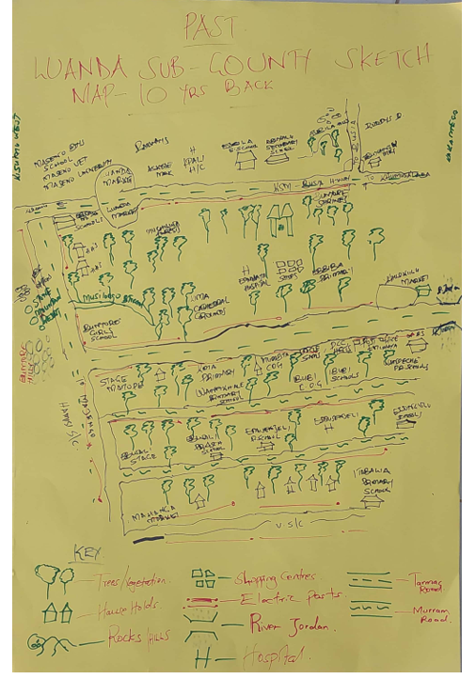
 | Indicators Implimented in the Last 10 Years |  |  |  |  |  | Indicators Implimented Currently |  |  |  |  |  | Indicators for Future Resilient Visions
Sub-county/Sector | Agriculture | Water | Ecosystem and biodiversity | Poverty and Livelihood | Transport | Sector | Agriculture | Water | Ecosytem and Biodiversity | Poverty and Livelihood | Transport | Sector | Agriculture | Water | Energy | Ecosystem and Biodiversity | Health | Poverty and Livelihoods | Education | Infrastructure and Transport | Governance
Hamisi | % of land area under terracing practices | proportion of vulnerable catchment areas under conservation efforts | Number of trees planted, | Number of households with diversified sources of livelihoods | Transport |  | % of land area under terracing practices | proportion of vulnerable catchment areas under conservation efforts | Number of trees planted | Number of households with diversified sources of livelihoods | % of roads exposed to flooding events equiped with gabbions |  | Number of operational tomatoes processing plant | Number of completed dams | Number of households connected to the grid via the last mile interventions | Number of trees planted | Number specialized health centres in the Sub-county | Number of households with diversified sources of livelihoods | Number of schools equiped with modern infrastructures | Length in kilometres of railway line | Presence of functional symbol State House
 | Proportion of agricultural land under cover cropping | % of community water points with functional chlorine dispensers | Number of mining sites restored/reclaimed |  | Number of flood resistant bridges constructed at strategic areas |  | Proportion of agricultural land under cover cropping, | % of community water points with functional chlorine dispensers | Number of mining sites restored/reclaimed |  | Number of flood resistant bridges constructed at strategic areas |  | Area in hectares of coffee plantations | Number of dams constructed and operational | Number of households using solar energy | Number of Indigenous tree species planted to replace Eucalyptus and Blue gum | Number specialized health centres in the Sub-county |  | number of learners accessing digital learning infrastructures in schools | Distance in Km of murram road upgraded to tarmac | Number of community members involved in decision-making at each administrative level
 | Number of farmers practicing cover cropping | Number of boreholes drilled | Number of Eucalyptus and blue gum trees cut and replaced with Indigenous species |  |  |  | Number of farmers practicing cover cropping | Number of boreholes drilled | Number of Eucalyptus and blue gum trees cut and replaced with Indigenous species |  |  |  | Number of greenhouses established | Area in hectares of catchment areas under active protection | Number of farmers adopting solarized irrigation | Area in hectares of mining sites restored | Presence of operational Busali Hospital |  | % of wards that have operational ICT hubs | Distance in km of additional road networks | Number of individuals from the marginalized groups holding leadership positions
 | % of farmers who have adopted drought tolerant crops | Proportion of water resources put under protection | Number of trees planted, |  |  |  | % of farmers who have adopted drought tolerant crops | Proportion of water resources put under protection | Area of degraded lands that has been revegetated |  |  |  | Area in hectares of agricultural land under maize production | Number of community water supply points |  | Number of Indigenous tress grown disagregated by species | Number of individuals accessing mental health services from the public hospitals |  |  | Distance in km of roads cambered with flood proof gabbions
 | % of farmers using fertilizers |  |  |  |  |  | % of farmers using fertilizers |  |  |  |  |  | Area in hectares of agricultural land under agroforestry practise |  |  |  |  |  |  | Number of bridges constructed
 | number of farmers practising irrigation farming |  |  |  |  |  | tonnage of ferilizers distributed to farmers by government agencies |  |  |  |  |  | quantity in tonnes of tomatoes processed in a year |  |  |  |  |  |  | Distance in km of resilient road networks
 | tonnage of ferilizers distributed to farmers by government agencies |  |  |  |  |  | proportion of agricultural land under organic fertilizer-based production |  |  |  |  |  | % increase in the amountof coffee production per year |  |  |  |  |  |  | Number of operational bus terminals established
 | % of farmers using organic fertilizers |  |  |  |  |  | Proportion of agricultural land under irrigation |  |  |  |  |  | Proportion of farmers practising commercial farming |  |  |  |  |  |  | Presence of a modern stadium in Chavakali
 | Proportion of agricultural land under irrigation |  |  |  |  |  | number of farmers practising irrigation farming |  |  |  |  |  | proportion of agricultural produce directed to value addition in agro processing plants |  |  |  |  |  |  | Number of industries established
 | % of farmers using early maturing varieties |  |  |  |  |  | % of farmers using early maturing varieties
 | Number of farmers using flood resistant crops |  |  |  |  |  | Number of farmers using flood resistant crops
 | Proportion of farmers by age, gender, and ability accessing CIS |  |  |  |  |  | Proportion of farmers by age, gender, and ability accessing CIS
 | Amount of Indigenous seeds preserved in KGs for the locally valued varieties |  |  |  |  |  | Amount of Indigenous seeds preserved in KGs for the locally valued varieties
 |  |  |  |  |  |  | % of land area under terracing practices
 |  |  |  |  |  |  | Proportion of farmers that is growing Indigenous African leafy vegetables

Sub-County Reflection on Past realities

